Sheet1
Earth Care Campaign Thessaloniki, Greece April May, 2025 |  |  |  |  |  |  |  | PMODWR | LAP | NOA | U Zrh | UPatras | ECoE
 |  |  |  |  |  |  |  | Stelios kazadzis SK Natalia Kouremeti NK Angelos Karanikolas AK Anna Moustaka AM Kyriaki Pap KP | Dimitris balis DB | Dimitra Kouklaki DK | Andears Hüni AH Marvin Wagner MW | Andreas kazantzidis AK Panagiotis Ioannidis PI Orestis panagopoulos OP | Georgia Charalambous GC Athina Savva AS Maria Poutli MP
 |  |  |  |  |  |  |  |  | Alkis Bais AB
Month | Day | LAP | Kedek | Epanomi | other | comments | measurements
April | 14-18 |  |  | NK PMOD, PI Instalation of instruments SK |  | UZ spectroradiometer at LAP needs to be transported inside in case of rain and during the night.
 | 21 |  |  | SK, AK |  |  |  | Lap | Kedek | epanomi | 4th site
 | 22 |  | GC ECOE Instalation of Instruments | SK, AK |  |  |  | UZ specroradiometer | NOA all | EKO Patras and pyranometers | Microtops | Mtops: NOA, ECoE, Patras, UZH
 | 23 | AW (UZH) installation | DK NOA instalation of instruments, NK installation | SK, AK |  | start of measurements |  | Patras Camera 4th site close to LAP | 2nd tracker NOA and PFR | tracker PMOD | Pyrano ECoE | Calittoo PMOD (2)
 | 24 |  | DK, GC | SK, AK | 4th site ? | Intensive measurements overpass |  | Lap permanent instr. | ECoE Camera | 2 PFRs PMOD
 | 25 |  | DK, GC | SK, AK | 4th site measurements at different points with Mtops |  |  |  | PFR PMOD | Camera PMOD and pyranometer
 | 26 |  | DK, GC | AK
 | 27 |  | DK, GC | AK
 | 28 |  | DK, GC | AK | Hand held at different locations | MSc project ?
 | 29 |  | DK, GC | AK | Hand held at different locations
 | 30 |  | DK, GC | AK | Hand held at different locations
May | 1 |  | DK. GC | AK | Hand held at different locations |  |  | possible 4th site for overpass Evexia Center
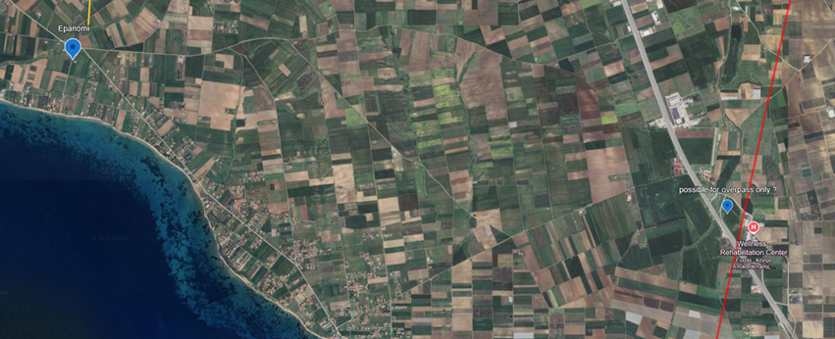
 | 2 |  | DK | AK | Hand held at different locations
 | 3 |  | DK | AK
 | 4 |  | DK | AK
 | 5 |  |  | AK
 | 6 |  |  | AM
 | 7 |  |  | AM
 | 8 | Intercalibration hand held AOD |  | AM |  | AS with help ECOE Intercalibration
 | 9 | Intercalibration hand held AOD |  | AM
 | 10 |  | DK | AM
 | 11 |  | DK | AM
 | 12 |  | Intercalibration hand held AOD DK | AM
 | 13 |  | Intercalibration hand held AOD DK | AM
 | 14 |  | DK, last day of GC at the station | Intercalibration hand held AOD SK
 | 15 |  | DK, | Intercalibration hand held AOD SK
 | 16 |  | DK | AW UZspec at Epanomi SK |  | UZ 1-2days intercal with EKO
 | 17 |  | DK | AM, SK
 | 18 |  | DK | AM, SK
 | 19 |  | DK | AM, SK | 4th site | Intensive measurements overpass
 | 20 |  | DK | AM, SK | measurements at different points with Mtops
 | 21 |  | DK | AM, SK
 | 22 | Instrument packing | Instrument packing | Instrument packing
 | 23
 | 24

